TEDB Edition 40
Figure 9.3. Share of Vehicle Trips by Trip Distance, 2017 NHTS
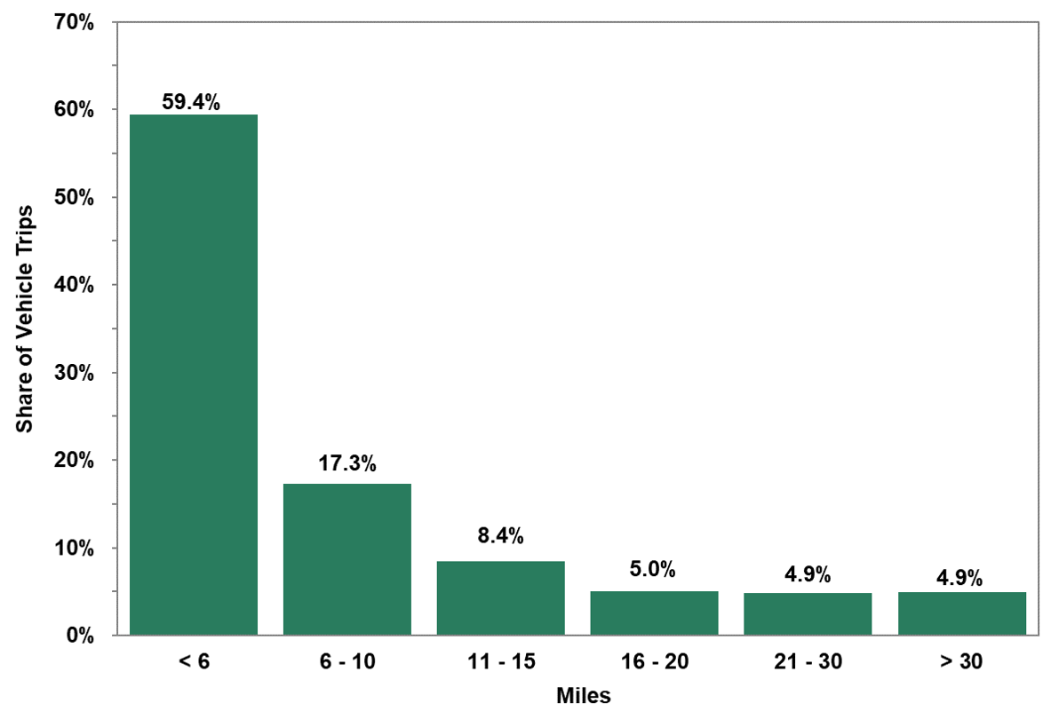

 |  | Share of
 | Miles | Vehicle Trips
 | < 6 | 59.4%
 | 6 - 10 | 17.3%
 | 11 - 15 | 8.4%
 | 16 - 20 | 5.0%
 | 21 - 30 | 4.9%
 | > 30 | 4.9%

 | Source:
 | Generated from the 2017 National Household
 | Travel Survey website nhts.ornl.gov.

